Final Model
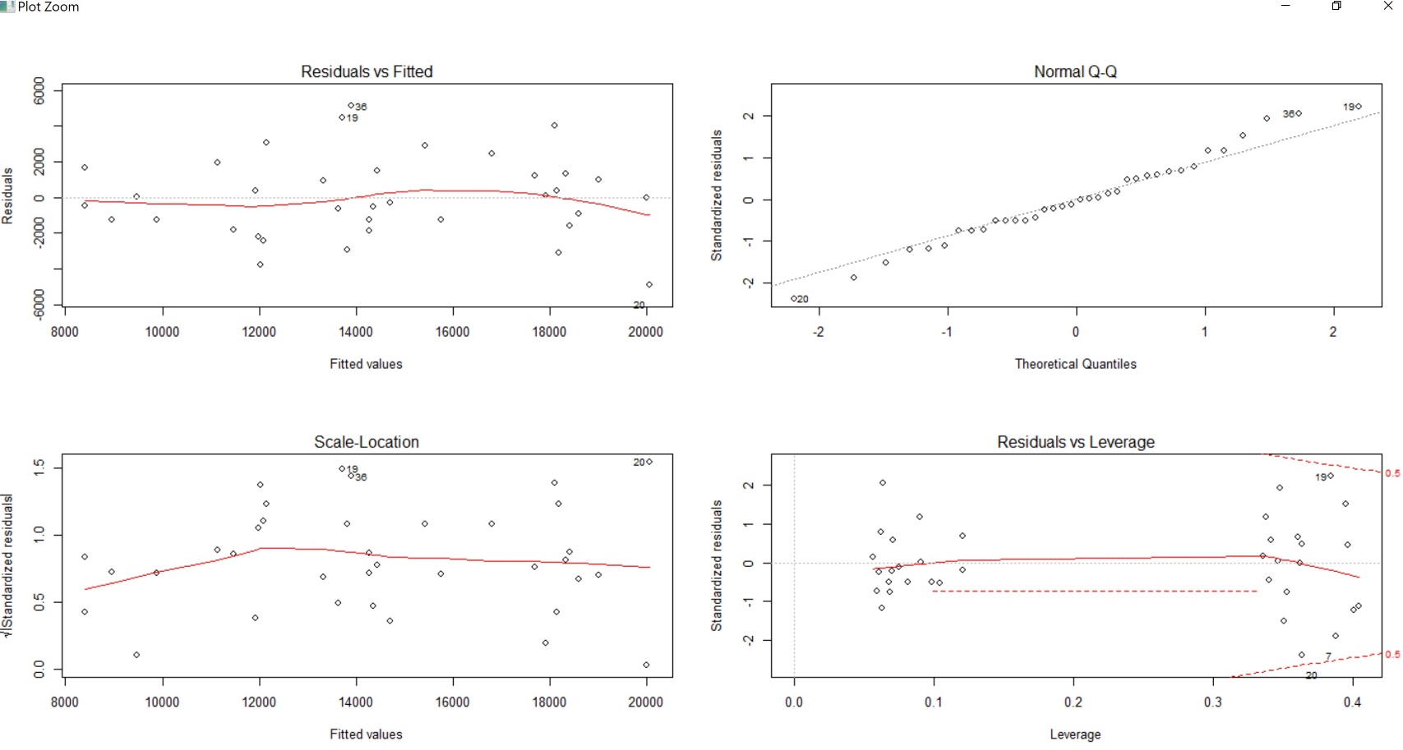
Residuals:
Min 1Q Median 3Q Max | MAPE
-4878.8 -1339.2 -153.9 1382.1 5123.9 | 0.1324696

Coefficients:
Estimate Std. Error t value Pr(>|t|)
(Intercept) -24765.62 6055.01 -4.090 0.00033 ***
CPI_energy 158.01 25.58 6.178 1.13e-06 ***
I(Month == 3)TRUE 3736.48 1603.91 2.330 0.02726 *
I(Month == 4)TRUE 3817.93 1602.14 2.383 0.02420 *
I(Month == 5)TRUE 4173.96 1603.46 2.603 0.01461 *
I(Month == 6)TRUE 5821.02 1609.92 3.616 0.00117 **
I(Month == 7)TRUE 5800.91 1609.52 3.604 0.00120 **
I(Month == 8)TRUE 3891.61 1602.70 2.428 0.02185 *
---
Signif. codes: 0 ‘***’ 0.001 ‘**’ 0.01 ‘*’ 0.05 ‘.’ 0.1 ‘ ’ 1

Residual standard error: 2569 on 28 degrees of freedom
Multiple R-squared: 0.6859, Adjusted R-squared: 0.6074
F-statistic: 8.736 on 7 and 28 DF, p-value: 1.13e-05

Training_prediction
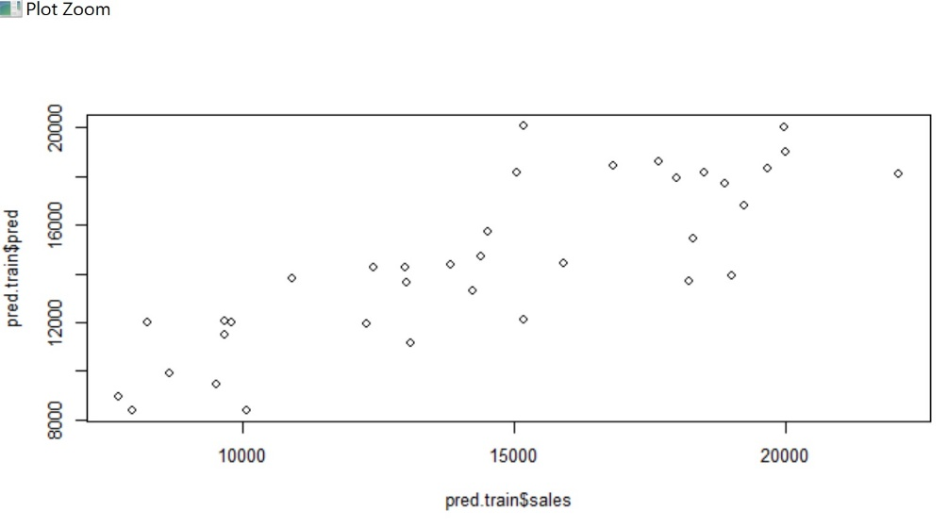
Month | Year | sales | Unemployment | Queries | CPI_energy | CPI_all | pred
1 | 2010 | 7690 | 9.7 | 153 | 213.377 | 217.466 | 8950.9813279
1 | 2011 | 9659 | 9.1 | 259 | 229.353 | 221.082 | 11475.416718
1 | 2012 | 10900 | 8.2 | 354 | 244.178 | 227.666 | 13817.977726
2 | 2010 | 7966 | 9.8 | 130 | 209.924 | 217.251 | 8405.3581805
2 | 2011 | 12289 | 9 | 266 | 232.188 | 221.816 | 11923.38707
2 | 2012 | 13820 | 8.3 | 296 | 247.615 | 228.138 | 14361.072646
3 | 2010 | 8225 | 9.9 | 138 | 209.163 | 217.305 | 12021.588833
3 | 2011 | 19255 | 9 | 281 | 239.454 | 222.955 | 16807.997972
3 | 2012 | 19681 | 8.2 | 303 | 249.095 | 228.732 | 18331.413195
4 | 2010 | 9657 | 9.9 | 132 | 209.024 | 217.376 | 12081.079862
4 | 2011 | 22100 | 9.1 | 305 | 247.129 | 224.056 | 18102.21222
4 | 2012 | 16836 | 8.2 | 361 | 249.075 | 229.184 | 18409.707918
5 | 2010 | 9781 | 9.6 | 177 | 206.172 | 217.299 | 11986.446539
5 | 2011 | 20006 | 9 | 376 | 250.538 | 224.918 | 18996.906012
5 | 2012 | 18877 | 8.2 | 275 | 242.208 | 228.884 | 17680.647449
6 | 2010 | 14245 | 9.4 | 138 | 204.161 | 217.285 | 13315.743355
6 | 2011 | 19992 | 9.1 | 371 | 246.401 | 224.99 | 19990.264568
6 | 2012 | 17655 | 8.2 | 278 | 237.514 | 228.825 | 18585.992077
7 | 2010 | 18215 | 9.5 | 156 | 206.834 | 217.677 | 13718.008443
7 | 2011 | 15181 | 9 | 427 | 246.968 | 225.553 | 20059.75168
7 | 2012 | 18512 | 8.2 | 423 | 234.757 | 228.779 | 18130.239878
8 | 2010 | 15181 | 9.5 | 202 | 208.927 | 218.012 | 12139.42753
8 | 2011 | 15054 | 9 | 336 | 247.112 | 226.149 | 18173.201027
8 | 2012 | 17989 | 8.1 | 341 | 245.455 | 229.952 | 17911.371443
9 | 2010 | 10062 | 9.5 | 150 | 209.85 | 218.281 | 8393.6651272
9 | 2011 | 14386 | 9 | 357 | 249.732 | 226.674 | 14695.588778
9 | 2012 | 18305 | 7.8 | 374 | 254.333 | 231.086 | 15422.612265
10 | 2010 | 9497 | 9.5 | 178 | 216.655 | 219.024 | 9468.9519845
10 | 2011 | 13000 | 8.8 | 370 | 246.971 | 226.761 | 14259.31148
10 | 2012 | 14512 | 7.8 | 257 | 256.389 | 231.652 | 15747.489528
11 | 2010 | 8631 | 9.8 | 161 | 219.303 | 219.544 | 9887.3736741
11 | 2011 | 12414 | 8.6 | 255 | 247.092 | 227.136 | 14278.431202
11 | 2012 | 15923 | 7.8 | 246 | 248.136 | 231.19 | 14443.398061
12 | 2010 | 13096 | 9.4 | 170 | 227.19 | 220.437 | 11133.631932
12 | 2011 | 13025 | 8.5 | 253 | 243.015 | 227.093 | 13634.207173
12 | 2012 | 19024 | 7.9 | 275 | 244.698 | 231.099 | 13900.145127

Testing Prediction
sales v/s predicted sales
Month | Year | sales | Unemployment | Queries | CPI_energy | CPI_all | pred
1 | 2013 | 12174 | 7.9 | 230 | 242.56 | 231.321 | 16051.978921 | 3877.9789213
1 | 2014 | 15326 | 6.6 | 232 | 247.575 | 234.933 | 16955.798309 | 1629.7983092
2 | 2013 | 16219 | 7.7 | 239 | 252.639 | 232.599 | 17868.448634 | 1649.4486344
2 | 2014 | 16393 | 6.7 | 240 | 246.389 | 235.169 | 16742.053585 | 349.0535846
3 | 2013 | 26153 | 7.5 | 313 | 244.598 | 232.075 | 26153 | 0
4 | 2013 | 24445 | 7.5 | 248 | 238.86 | 231.707 | 24445 | 0
5 | 2013 | 25090 | 7.5 | 252 | 240.972 | 232.124 | 25090 | 0
6 | 2013 | 22163 | 7.5 | 320 | 245.412 | 232.86 | 22163 | 0
7 | 2013 | 23958 | 7.3 | 274 | 245.926 | 233.252 | 23958 | 0
8 | 2013 | 24700 | 7.2 | 271 | 244.917 | 233.433 | 24700 | 0
9 | 2013 | 19691 | 7.2 | 298 | 245.566 | 233.743 | 16593.729884 | 3097.2701156
10 | 2013 | 14876 | 7.2 | 223 | 243.374 | 233.782 | 16198.680613 | 1322.6806126
11 | 2013 | 16751 | 7 | 231 | 242.301 | 234.033 | 16005.30111 | 745.69888956
12 | 2013 | 21692 | 6.7 | 279 | 246.189 | 234.594 | 16706.008943 | 4985.991057

